Historical
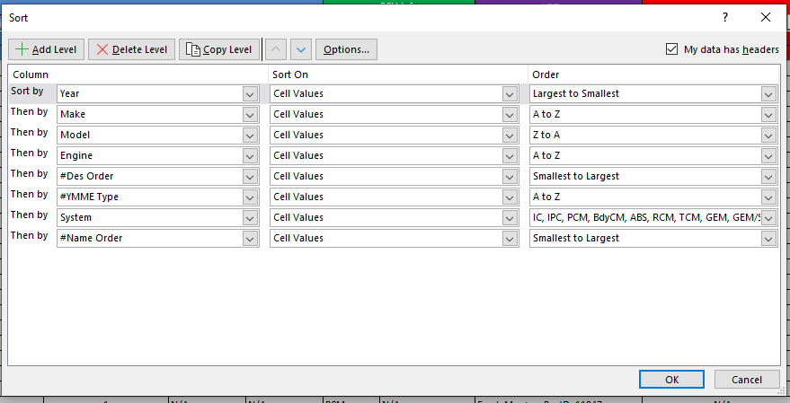
Date | Engineer | Version | Sheet | Note | Rules: | 1. ItemID sheet: Bit mask N/A
23-Feb-16 | Tan Le | V01.00.01 | All Sheets | Create data |  | 2. TableID sheet: Default is last
24-Feb-16 | Tan Le | V01.00.02 | All Sheets | Update Vehicle and Formula |  | 3. VehicleInfo sheet: Sort to make sure the most reliable PID will be linked first
21-Jun-16 | Thien Nguyen | V01.00.03 | All Sheets | Update Odometer and Fuel Level
8-Jul-16 | Thien Nguyen | V01.00.04 | All Sheets | Update More Items |  | 4. see update note V19.00.05
11-Jul-16 | Thien Nguyen | V01.00.05 | All Sheets | Update ABS Active, Transmission Gear, Turn Signal
19-Jul-16 | Thien Nguyen | V01.00.06 | All Sheets | Update missing Items, Correct Protocols
31-Aug-16 | Thien Nguyen | V01.00.07 | All Sheets | Change Item names based on spec
18-Oct-16 | Thien Nguyen | V01.00.08 | All Sheets | Delete 2002.5
14-Nov-16 | Thien Nguyen | V01.00.09 | Table ID | Update Table ID sheet
18-Nov-16 | Tan Le | V01.00.10 | Update name | http://118.69.35.198:8080/redmine/documents/37
19-Nov-16 | Thien Nguyen | V01.00.11 | VehicleInfo | Map correct module name from NWS
22-Nov-16 | Tan Le | V01.00.12 | All Sheets | Update Map ABS Dash: 119, 121, 122, 124 ==> 119 Odo: 146, 148, 150 ==>146 Fuel Level ==> 140, 141, 142 ==>140
23-Nov-16 | Tan Le | V01.00.13 | All Sheets | Rollback like V11
5-Dec-16 | Tan Le | V01.00.14 | Item ID | Update "mi" to "miles"
5-Dec-16 | Tan Le | V01.00.15 | All Sheets | Update Odo from PCM to IPC
27-Dec-16 | Thien Nguyen | V01.00.16 | All Sheets | Update template: add ofm_ItemName to sheet Item ID Update Parking Brake Indicator Light
28-Dec-16 | Thien Nguyen | V01.00.17 | All Sheets | Update Transmission Gear
30-Dec-16 | Tan Le | V01.00.18 | All Sheets | Remove Item Passenger Seatbelt Fastented
6-Feb-17 | Tan Le | V01.00.19 | All Sheets | Update 2015 and 2016 vehicle
24-Feb-17 | Thien Nguyen | V01.00.20 | All Sheets | Update TPMS
20-Apr-17 | Tan Le | V01.00.21 | All Sheets | Update 59. Oil Life Remaining 60. Brake Pad Check
5-May-17 | Tan Le | V01.00.22 | Item ID | Change name of pressure
16-Jun-17 | Tan Le | V01.00.23 | All Sheets | Add more PID about Oil
26-Jan-18 | Thien Nguyen | V01.00.24 | All Sheets | Update PIDs related to TPMS, copy from TMPS LD - Tire Pressure Status - Sensor Battery
23-Mar-18 | Thien Nguyen | V01.00.25 | All Sheets | Remove Tire press monitoring systemp status
24-Mar-18 | Thien Nguyen | V17.00.26 | All Sheets | Combined US and International markets Changed version Swapped column Item and Description
24-Apr-18 | Thien Nguyen | V17.00.27 | All Sheets | Added Trans Fluid Temp Removed TPMS Monitoring Removed Inner Tire
4-Jun-18 | Thien Nguyen | V17.00.28 | All Sheets | Added Table Threshold, Specification sheets Removed redundant data
7-Jun-18 | Thien Nguyen | V17.00.29 | All Sheets | 1. Updated PIDs - Crash Event Occurred - Airbag deployment status 2. Added sheet "Crash Detection Specification"
23-Jun-18 | Thien Nguyen | V17.00.30 | All Sheets | 1. Added "eValueTableID_TPMS_X_STATUS" used for TPMS function 2. Replaced "TableThreshold" -> "Table Threshold"
23-Jun-18 | Thien Nguyen | V17.00.30 | All Sheets | 1. Added "eValueTableID_TPMS_X_STATUS" used for TPMS function 2. Replaced "TableThreshold" -> "Table Threshold"
20-Jul-18 | Thien Nguyen | V17.00.31 | All Sheets | 1. Added 2 PIDs to 2016 2017 Focus for Qfree Demo Ford_Master_ItemID_772 ---- Steering wheel angle sensor Ford_Master_ItemID_1982 ----Brake Fluid Level
18-Aug-18 | Thien Nguyen | V17.00.32 | All Sheets | Updated 2017 Ford Focus Tire Pressure Threshold
28-Aug-18 | Thien Nguyen | V17.00.33 | All Sheets | Updated 2018 Ford Mustang for APPEX Demo
8-Sep-18 | Thien Nguyen | V17.00.34 | All Sheets | Updated 2018 Ford Mustang for APPEX Demo: Change N/A => Specific engines
3-Nov-18 | Thien Nguyen | V19.00.01 | All Sheets | Big update: - Fixed profiles and items info - Updated 1996 - 2019 - Corrected wrong model names - Added specific engines
17-Nov-18 | Thien Nguyen | V19.00.02 | All Sheets | Fixed "Signed" in ItemID because of an error in Data Generator soft Generated new database
4-Dec-18 | Thien Nguyen | V19.00.03 | All Sheets | Added Trans Temp PID mapping field type Created PieceWiseLinear Spec Deleted strange system Sorted Added Tire Placard Pressure Updated Tablethreshold
13-Feb-19 | Thien Nguyen | V19.00.04 | All Sheets | Updated Steering Angle Sensor PIDs Commands sorting order: 03 22 30 02 00 00 00 00 03 22 32 01 00 00 00 00 03 22 33 02 00 00 00 00 03 22 32 12 00 00 00 00 03 22 20 3A 00 00 00 00 22 32 01
15-Mar-19 | Thien Nguyen | V19.00.05 | All Sheets | Bug #31137, fuel level profile Ford_Master_ProfileID_6259 works well => put it ahead of others, applied only ford mustang 2008 2009 Updated Tire Pressure Outer
29-Mar-19 | Thien Nguyen | V19.00.06 | All Sheets | Bug #31478, added more Brake Fluid Level and Oil Lamp Swich PIDs, Added table ID using Ranges Sorted database
3-May-19 | Thien Nguyen | V19.00.07 | All Sheets | Fixed bug #32222 Added "Low oil event since last oil change - Oil Life Reduced"
26-Jul-19 | Thien Nguyen | V19.00.08 | All Sheets | Updated TPMS Warning Light PID
9-Aug-19 | Thien Nguyen | V19.00.09 | Profile ID | updated template, added col ItemDescription
15-Oct-19 | Thien Nguyen | V19.00.10 | All Sheets | Updated Airbag and Low Coolant Warning to fix bugs
22-Oct-19 | Thien Nguyen | V19.00.11 | ItemID | ItemNameTracking
24-Oct-19 | Thien Nguyen | V19.00.12 | Profile ID | added check support command
25-Oct-19 | Thien Nguyen | V19.00.13 | VehicleInfo | Added option1 column => Command order
30-Oct-19 | Thien Nguyen | V19.00.14 | All Sheets | Added Tire Pressure Telltale Status
12-Nov-19 | Thien Nguyen | V19.00.15 | All Sheets | Sorted the database, IPC is priority (type 1xx are same order => check system)
3-Jan-20 | Thien Nguyen | V19.00.16 | All Sheets | ofm_itemid
3-Feb-20 | Thien Nguyen | V19.00.17 | All Sheets | updated 2019
25-Feb-20 | Thien Nguyen | V19.00.18 | All Sheets | Update 2019 TPMS Placard

